Input Data
Pipeline ID | Pipeline with Double Insulation

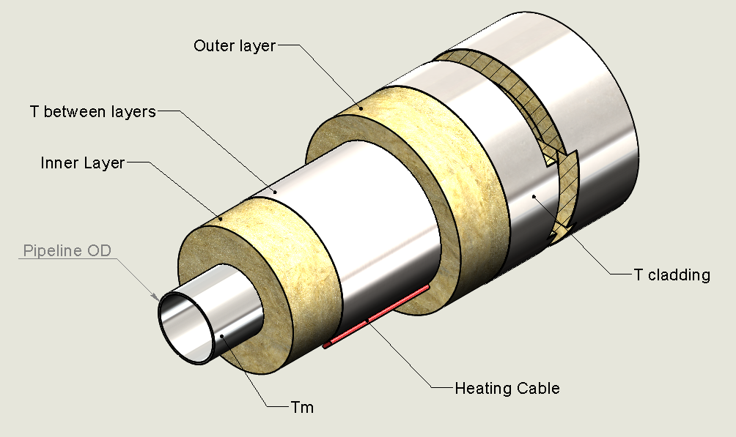
Tm | 400 °C | Thermal Conductivity
Tamb | 40 °C | Inner layer |  | Outer layer
 |  | 10 °C | 0.043 | 10 °C | 0.046
Pipe OD, mm | 250 mm | 204 °C | 0.084 | 204 °C | 0.091

Insulation Inner Type | CG Type I Block
Insulation Inner layer | 50 mm |  |  | T, °C | k, W/mK
Insulation Outer Type | CG Type II Pipe
Insulation Outer layer | 20 mm | Middle 1st layer |  | 284.97857736 °C | 0.10111402924 °C
 |  | Middle 2nd layer |  | 141.37631255 °C | 0.076473886931 °C
ε | 0.12
Temperature distribution
0 mm | 400 °C
25 mm | 400 °C
50 mm | 400 °C
75 mm | 400 °C
100 mm | 400 °C
125 mm | 400 °C
130 mm | 375.25678091 °C
135 mm | 351.44749422 °C
140 mm | 328.50419424 °C
145 mm | 306.36609056 °C
150 mm | 284.97857736 °C
155 mm | 264.29242189 °C
160 mm | 244.26308191 °C
165 mm | 224.85012812 °C
170 mm | 206.01675289 °C
175 mm | 187.72935019 °C
177 mm | 178.25038414 °C
179 mm | 168.87792558 °C
181 mm | 159.60960761 °C
183 mm | 150.44314134 °C
185 mm | 141.37631255 °C
187 mm | 132.40697843 °C
189 mm | 123.53306457 °C
191 mm | 114.75256206 °C
193 mm | 106.06352478 °C
195 mm | 97.464066798 °C
σ | 5.67E-08

Rcond1, Km/W | 0.52961216239
Rcond2, Km/W | 0.22521056005
Rconv, Km/W | 0.17747151278
hconv, W/m2K | 4.5989307387
Rrad, Km/W | 0.74618222706
Rcomb, Km/W | 0.14337200504
Q, W | 400.80395596 W

Qconv | 323.79318743 W
Qrad | 77.010768572 W
Qtotal | 400.803956 W
Qcond | 400.80395595 W

T between layers | 187.72935019 °C
Ts (cladding) | 97.464066798 °C |  | Forced Ts value

If you have any question please contact with Alexander Volodin

